Sheet2
PRODUCT STORE
OS:WINDOWS,BROWSER TESTED BY:ASNA ASHARAF
VERIFIED BY: DATE:18/11/24
Bug Id | Test id | Bug Description | Step to reproduce | Screenshot | Severity | Priority | Expected Result | Status
BUG_001 | DE_007 | The alignment of the images on the homepage is not proper, causing design inconsistencies. | 1. Open the browser and navigate to https://www.demoblaze.com/. 2. Visually inspect the alignment of images on the homepage. 3. Observe the misalignment of images in the UI layout. |  | Minor | Medium | The homepage should have a clean and cohesive design with proper image alignment. | NEW
BUG_002 | DE_016 | The contact form allows submission without filling the required fields, and no error message appears for empty fields. | 1. Navigate to any page where the "Contact" popup is accessible. 2. Click on "Contact" to open the contact form popup. 3. Leave one or more required fields empty (e.g., Contact Name, Contact Email, or Message). 4. Click the "Send Message" button. |  | Major | High | The form should prevent submission until all required fields are filled, and display appropriate error messages for empty fields. | NEW
BUG_003 | DE_024 | Clicking the "Add to Cart" button multiple times for the same product creates separate entries in the cart instead of incrementing the quantity. | 1. Open the browser and go to https://www.demoblaze.com/. 2. Navigate to a category (e.g., Phones). 3. Select a product (e.g., "Samsung Galaxy S6"). 4. Click the "Add to Cart" button multiple times (e.g., 2 or 3 times). 5. Confirm each success message (e.g., "Product added"). 6. Navigate to the Cart page and observe how the product is displayed. | 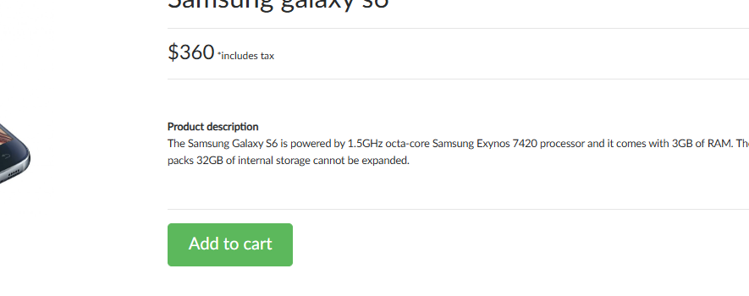 | Major | High | Clicking the "Add to Cart" button multiple times for the same product should increment the quantity of the product in the cart. The total price should update accordingly based on the quantity. | NEW
BUG_004 | DE_027 | When the same product is added multiple times, the cart creates separate entries for each addition instead of updating the quantity in a single entry and reflecting the total price. | 1. Open the browser and navigate to https://www.demoblaze.com/. 2. Select a product (e.g., "Samsung Galaxy S6"). 3. Click the "Add to Cart" button once and verify the product is added to the cart. 4. Click the "Add to Cart" button for the same product again. 5. Navigate to the Cart page and verify the product details. |  | Major | High | The cart should show the product as a single entry. The quantity should increment with each addition, and the total price should update accordingly. | NEW
BUG_OO5 | DE_028 | When the same product is added multiple times, the cart creates separate entries for each addition instead of updating the quantity in a single entry. The total price does not update accordingly. | 1. Open the browser and go to https://www.demoblaze.com/. 2. Navigate to a category (e.g., Phones). 3. Select a product (e.g., "Samsung Galaxy S6"). 4. Click the "Add to Cart" button multiple times (e.g., 3 times). 5. Navigate to the Cart page and observe how the product is displayed. |  | Major | High | The cart should show the product as a single entry, with the quantity updated. The total price should also update accordingly. | NEW
BUG_006 | DE_030 | After deleting all products from the cart, no message such as "Your cart is empty" is displayed, leaving the cart visually empty but without confirmation of its state. | 1. Open the browser and navigate to https://www.demoblaze.com/. 2. Add multiple products to the cart (e.g., "Samsung Galaxy S6" and "Sony Vaio i5"). 3. Navigate to the Cart page. 4. Delete all products from the cart one by one. 5. Observe whether an empty cart message is displayed after all products are removed. |  | Medium | High | After deleting all products, a message such as "Your cart is empty" should be displayed to inform the user. | NEW
BUG_007 | DE_032 | After deleting a product from the cart, there is no "Undo" option available to cancel the deletion operation and restore the product. | 1. Add a product to the cart. 2. Navigate to the Cart page. 3. Delete the product. 4. Verify if the "Undo" option is present. |  | Medium | High | After deleting a product, an "Undo" option should be available to allow the user to cancel the deletion and restore the product. | NEW
BUG_008 | DE_034 | The username field does not enforce the configured maximum character limit. It accepts input beyond the set character limit. | 1. Navigate to the Login page. 2. Enter a username with more than the maximum allowed characters (e.g., 51 characters for a 50-character limit). 3. Observe whether the username field prevents further input beyond the limit. 4. Submit the form and verify that no error occurs for entering within the valid limit. |  | Major | High | The username field should restrict input to the maximum allowed characters (e.g., 50 characters). Any extra characters should not be accepted. | NEW
BUG_009 | DE_036 | There is no password length validation in place. The password field does not enforce a minimum character requirement or display an error message for short passwords. | 1. Navigate to the Login page. 2. Enter a password shorter than the minimum required length (e.g., 5 characters for an 8-character minimum). 3. Submit the form and observe the error message. |  | Major | High | The error message should appear (e.g., "Password must be at least 8 characters long") when the password entered is too short. | NEW
BUG_010 | DE_037 | The password field does not accept copied passwords. When attempting to paste a valid password, the field does not accept the input, preventing the form submission | 1. Navigate to the Login page. 2. Copy a valid password string. 3. Paste it into the password field. 4. Submit the form and observe the behavior. |  | Major | High | The copied password should be accepted, and the form should submit successfully. | NEW
BUG_011 | DE_040 | The billing details form is missing required fields, such as email and address. The user is not prompted to provide these details before proceeding with the checkout. | 1. Navigate to the checkout page. 2. Verify that the Billing Details section is visible. 3. Verify that the required fields (address, email, etc.) are present and must be filled. |  | Major | High | The form should display all required fields (address, email, etc.), and the user should be prompted to fill them before proceeding. | NEW
BUG_012 | DE_042 | The payment form does not display any error messages when invalid card details, such as an incorrect card number, are entered. | 1. Navigate to the "Place Order" form. 2. Enter invalid card details in the payment section. 3. Submit the form and observe the error messages. |  | Major | High | Clear, user-friendly error messages should be displayed, highlighting the invalid fields, such as incorrect card number. | NEW
BUG_013 | DE_043 | The card number field does not mask sensitive information when entered. There is no partial masking of the card number (e.g., displaying only the last 4 digits). | 1. Navigate to the "Place Order" form. 2. Begin typing the card number in the field. 3. Observe whether the field masks the input partially. |  | Major | High | The card number field should partially mask the input, displaying only the last 4 digits for security purposes. | NEW
BUG_014 | DE_044 | No tracking or confirmation email is sent to the user after placing an order. The user does not receive any email confirming the order or providing tracking details. | 1. Navigate to the "Place Order" page. 2. Complete the purchase by filling in all required details. 3. Place the order and wait for confirmation on the website. 4. Check the registered email inbox for tracking or confirmation emails. |  | Major | High | A tracking or confirmation email should be sent to the registered email inbox after placing the order. | NEW

